Introduction
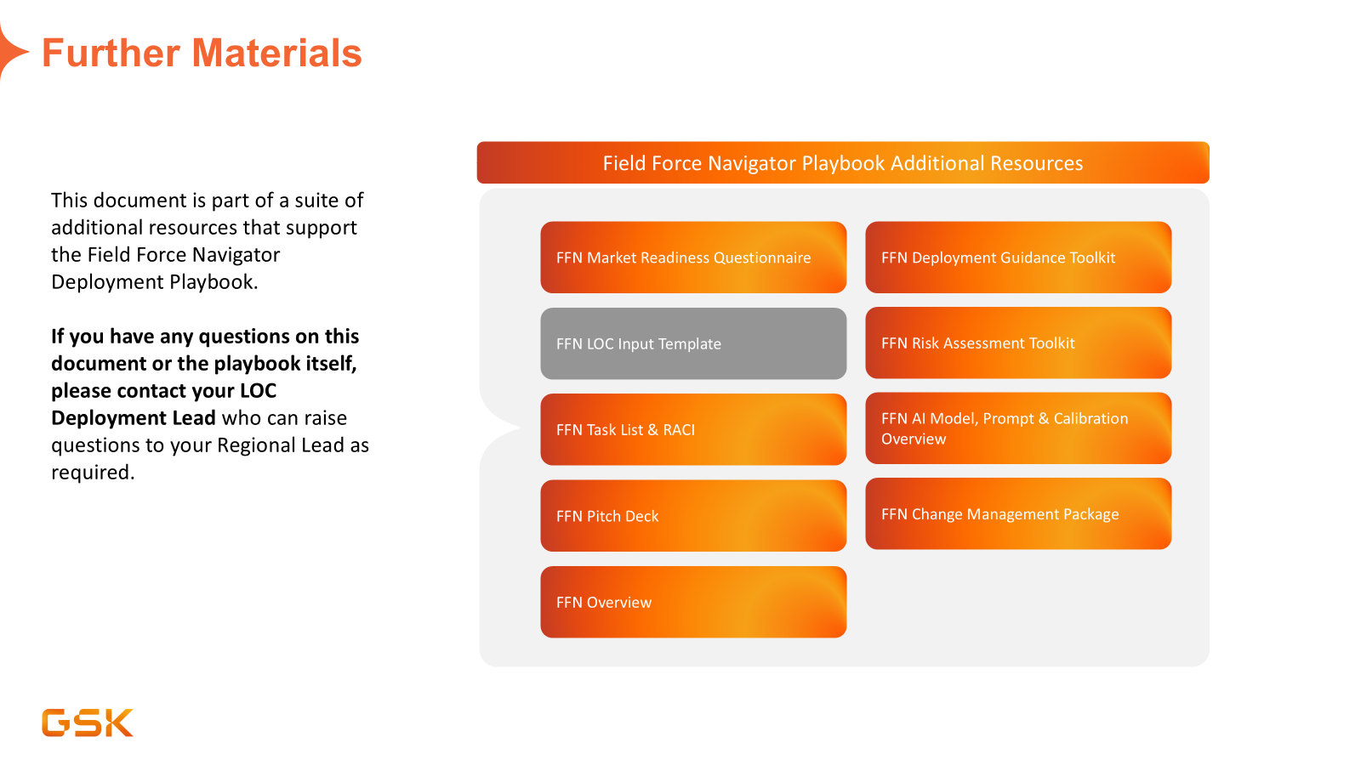
LOC Inputs Required by Global
To support the set-up phase of your LOC's Field Force Navigator deployment, several documents and datasets are required by the Global Engineering and Data Science teams. These must be gathered by the LOC after the Kick Off workshop. LOC Deployment Leads are accountable for ensuring the templates in this Excel document are completed and are shared with the Regional Lead. Where relevant, the information provided in this document should be updated at regular intervals as new information is available, for example competitor information.
Please complete the tables on the sheets in this document and return to your Regional Lead. You should complete all sections highlighted in a light orange (the same colour as this description box). If you are deploying Field Force Navigator for multiple brands simultaneously, template should be completed seperately, for each brand.
- Core Setup Information
- Brand Information - Key Messages & Message Groups
- Brand Information - Objections & Objections Handlers
- Brand Information - Competitors - Brand Information - Studies - Brand Information - Acronyms - Brand Information - Medical Terms
- Sales Data Sources & Market Share Filters
- User Group Access setup

